NPC-4 SUMMARY TABLE
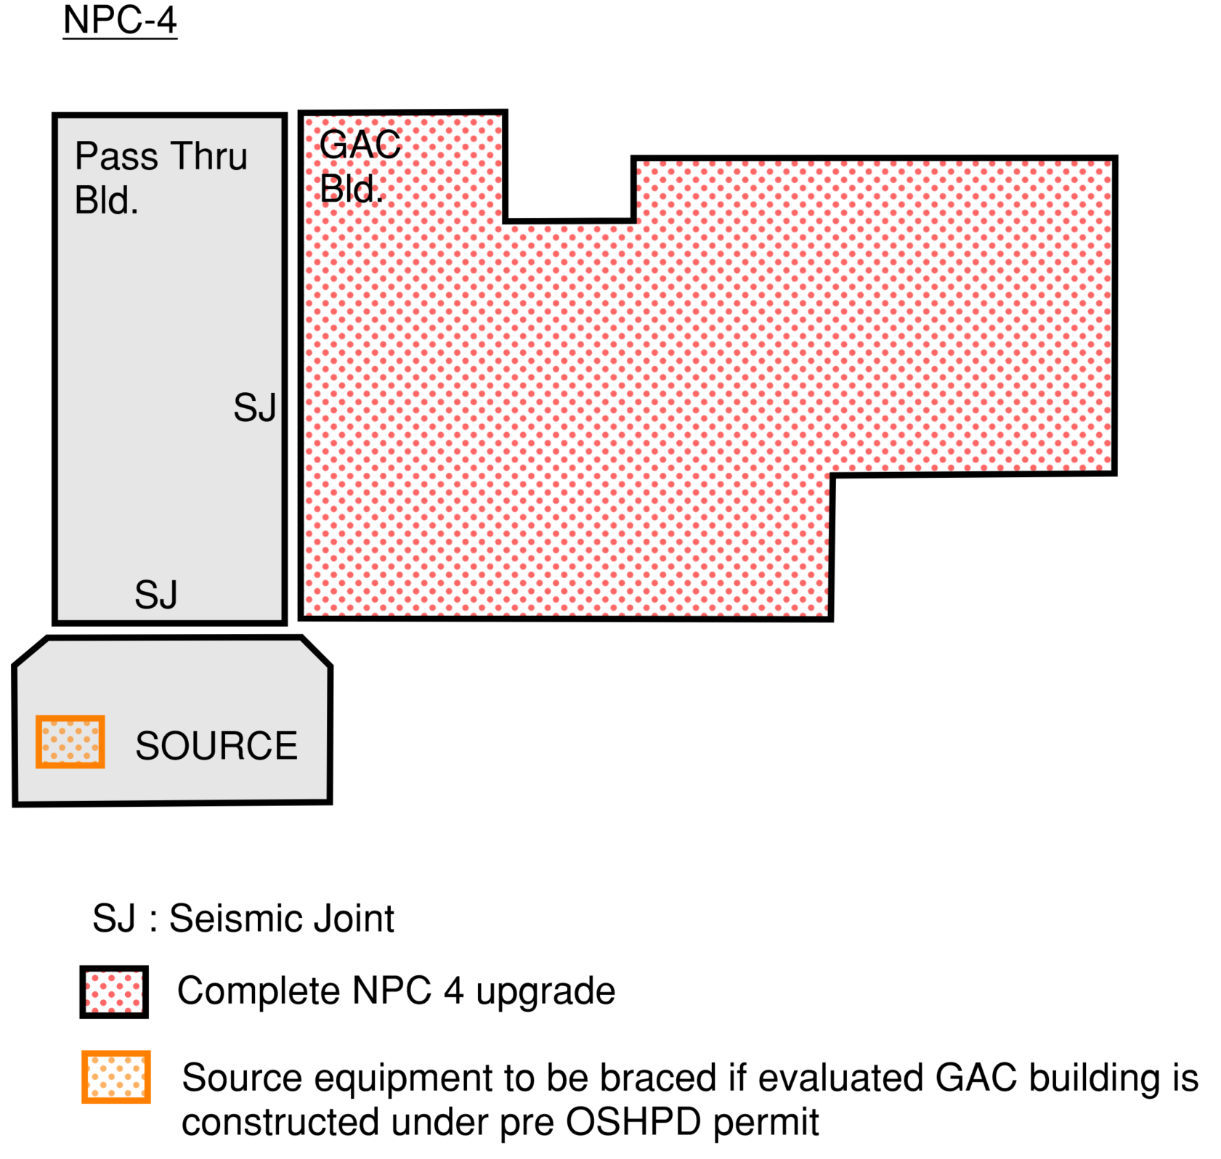
The below template is recommended to be included in NPC 4 building evaluation reports as required per 2022 CAC, Chapter 6, Section 1.3.4. This will streamline the NPC Upgrade process by summarizing the nonstructural deficiencies about the building and the scope of retrofit work to be done. Reference the section numbers within the report describing the details of scope of work.
 | NPC-4 SEISMIC COMPLIANCE DEFICIENCY SUMMARY [See Notes]
 | GAC Building # | Above Ceiling/Overhead Components |  |  |  | Below Ceiling MEP Equipments and Architectural Components |  | All Elevators | Flex Utility Connection Passing Thru Seismic Joint
 |  | Ducts/Pipes/ Conduits/ Cable Trays | Ceiling/ Lights | Fire Sprinklers | Other Components | Wall or Floor Mounted Equipments | Hung Equipments | Anchorage/ Bracing
ENTIRE BUILDING | BLD-00XXX | Additional Retrofit Required (See Appendix X) | Additional Retrofit Required (See Appendix X) | Non- Compliant | N/A | Compliant | Additional Retrofit Required (See Appendix X) | Compliant | Compliant

SOURCE EQUIPMENT (CUP/PHYSICAL PLANT) | BLD-00ZZZ | N/A | N/A | N/A | N/A | Additional Retrofit Required (See Appendix Z) | Additional Retrofit Required (See Appendix Z) | Compliant | Compliant

NOTES:

NPC-4D Level 1 SUMMARY TABLE
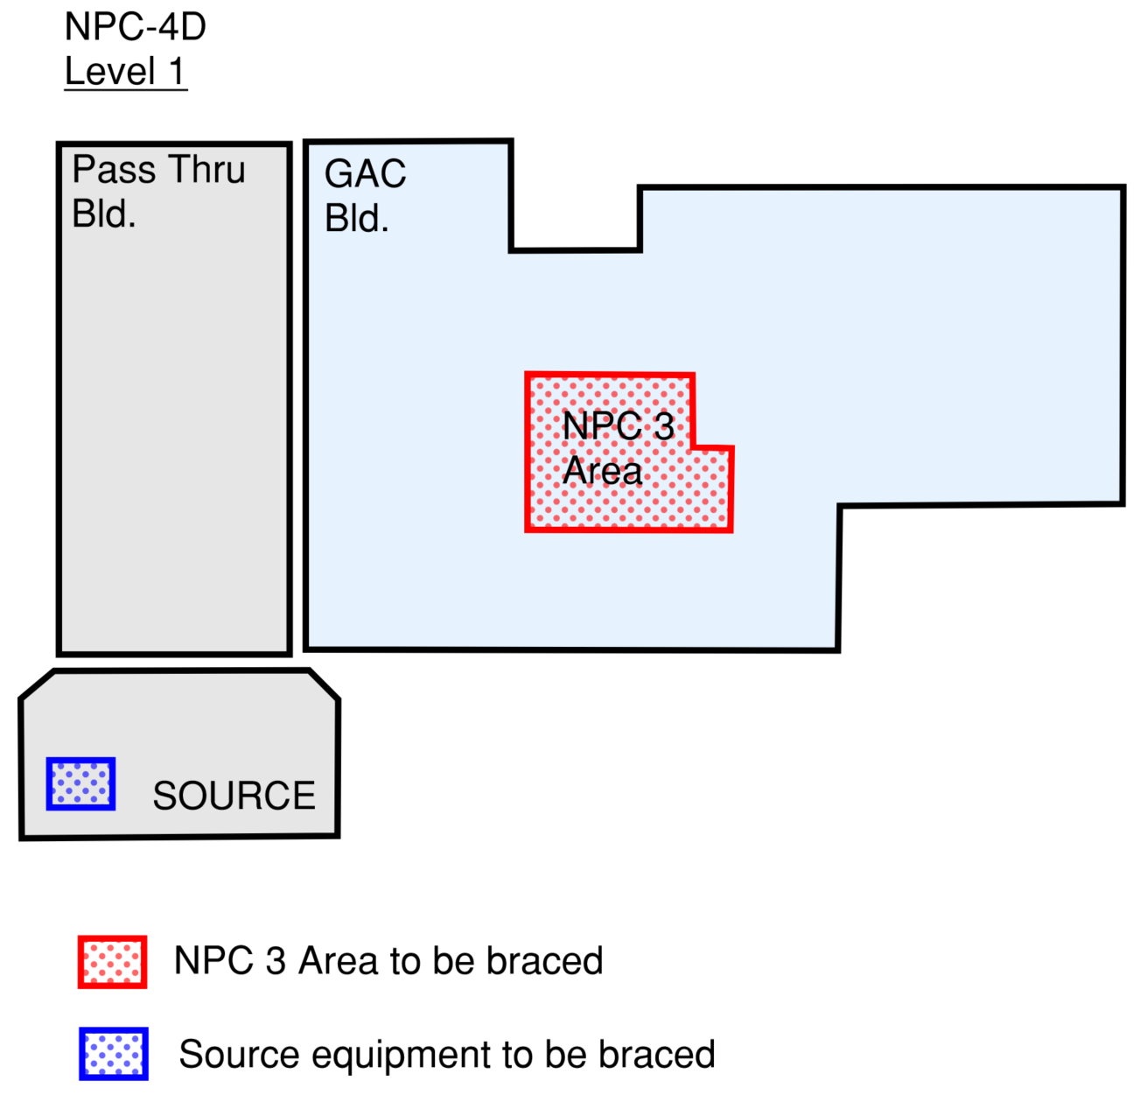
TThe below template is recommended to be included in NPC 4D Level 1 building evaluation reports as required per 2022 CAC, Chapter 6, Section 1.3.4. This will streamline the NPC Upgrade process by summarizing the nonstructural deficiencies for the building and the scope of retrofit work to be done. Reference the section numbers within the report describing the details of scope of work.
 | NPC-4D Level 1 SEISMIC COMPLIANCE DEFICIENCY SUMMARY [See Notes]
 | GAC Building # | Above Ceiling/Overhead Components |  |  |  | Below Ceiling MEP Equipments and Architectural Components
 |  | Ducts/Pipes/ Conduits/ Cable Trays | Ceiling/ Lights | Fire Sprinklers | Other Components | Floor or Wall Mounted Equipments | Hung Equipments
AREA WITHIN THE BUILDING (NPC-3 / CC AREA) | BLD-00XXX | Additional Retrofit Required (See Appendix X) | Additional Retrofit Required (See Appendix X) | Compliant | N/A | Compliant | Additional Retrofit Required (See Appendix X)

SOURCE EQUIPMENT (CUP / PHYSICAL PLANT) | BLD-00ZZZ | N/A | N/A | N/A | N/A | Compliant | Additional Retrofit Required (See Appendix X)

NOTES:

NPC-4D Level 2-3 SUMMARY TABLE
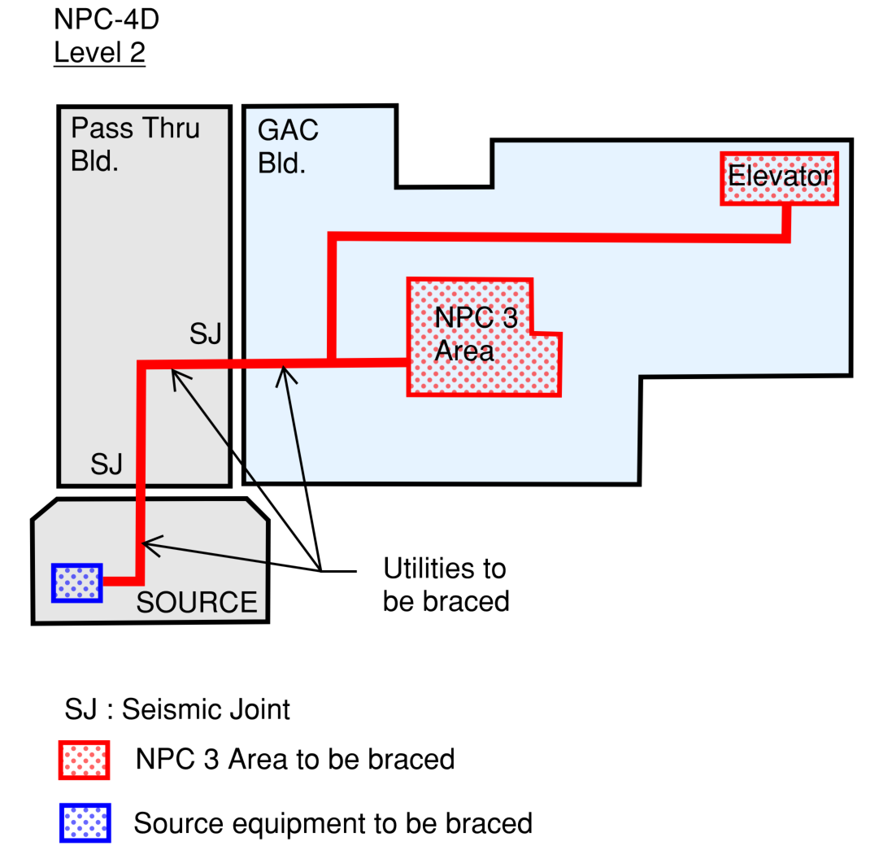
The below table template is recommended to be included in NPC 4D Level 2 or Level 3 building evaluation reports as required per 2022 CAC, Chapter 6, Section 1.3.4. This will streamline the NPC Upgrade process by summarizing the nonstructural deficiencies for the building and the scope of retrofit work to be done. Reference the section numbers within the report describing the details of scope of work.
 | NPC-4D Level 2 or Level 3 SEISMIC COMPLIANCE DEFICIENCY SUMMARY [See Notes]
 | GAC Building # | Above Ceiling/Overhead Components |  |  |  | Below Ceiling MEP Equipments and Architectural Components |  | Elevator serving CC Area / Additional Areas | Flex Utility Connection Passing Thru Seismic Joint
 |  | Ducts/Pipes/ Conduits/ Cable Trays | Ceiling/ Lights | Fire Sprinklers | Other Components | Floor or Wall Mounted Equipments | Hung Equipments | Anchorage/ Bracing
AREA WITHIN THE BUILDING (NPC-3 / CC AREA / ADDITIONAL AREAS) | BLD-00XXX | Additional Retrofit Required (See Appendix X) | Additional Retrofit Required (See Appendix X) | Non- Compliant | N/A | Compliant | Additional Retrofit Required (See Appendix X) | Compliant | Compliant

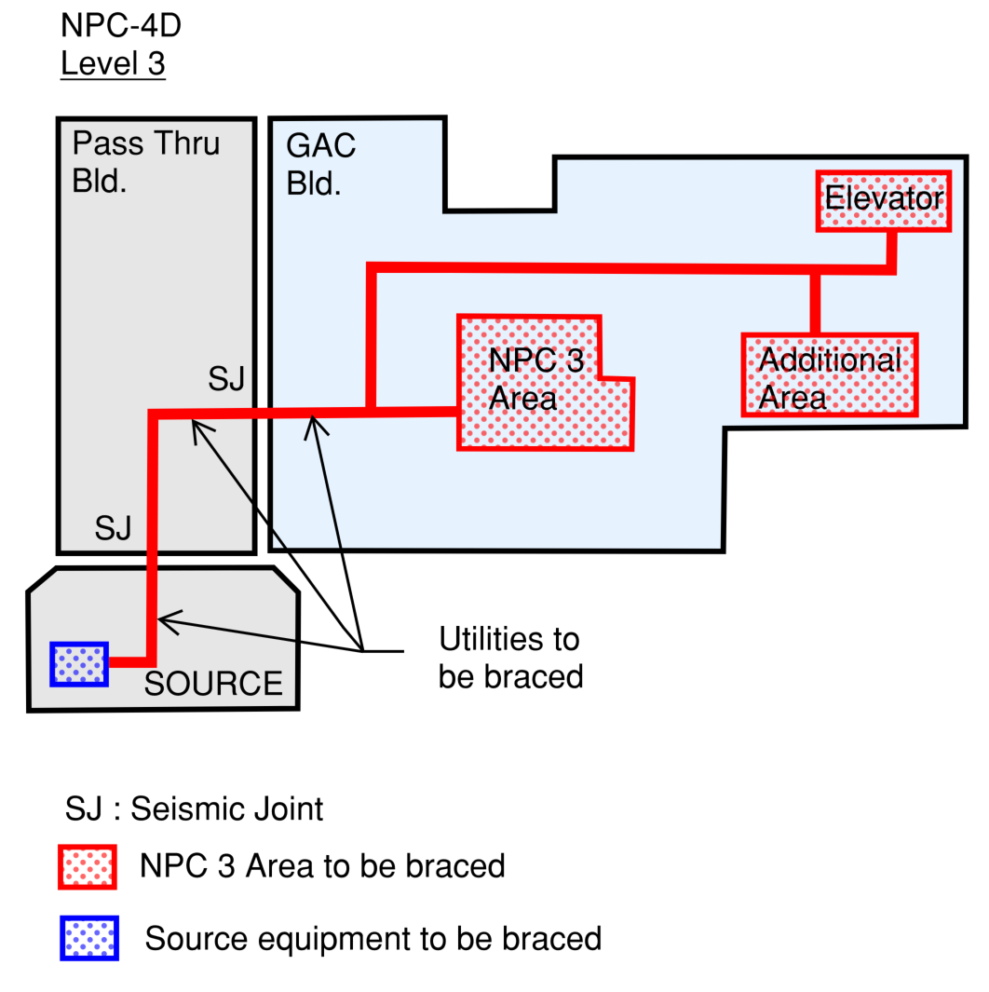
UTILITIES IN PASS THRU BUILDING | BLD-00YYY | Additional Retrofit Required (See Appendix Y) | N/A | N/A | N/A | N/A | N/A | N/A | Compliant

UTILITIES FROM SOURCE (CUP/PHYSICAL PLANT ETC.) | BLD-00ZZZ | Additional Retrofit Required (See Appendix Z) | N/A | N/A | N/A | N/A | N/A | N/A | Compliant

SOURCE EQUIPMENT (CUP/PHYSICAL PLANT) | BLD-00ZZZ | N/A | N/A | N/A | N/A | Additional Retrofit Required (See Appendix Z) | Additional Retrofit Required (See Appendix Z) | N/A | Compliant

NOTES:

